graph
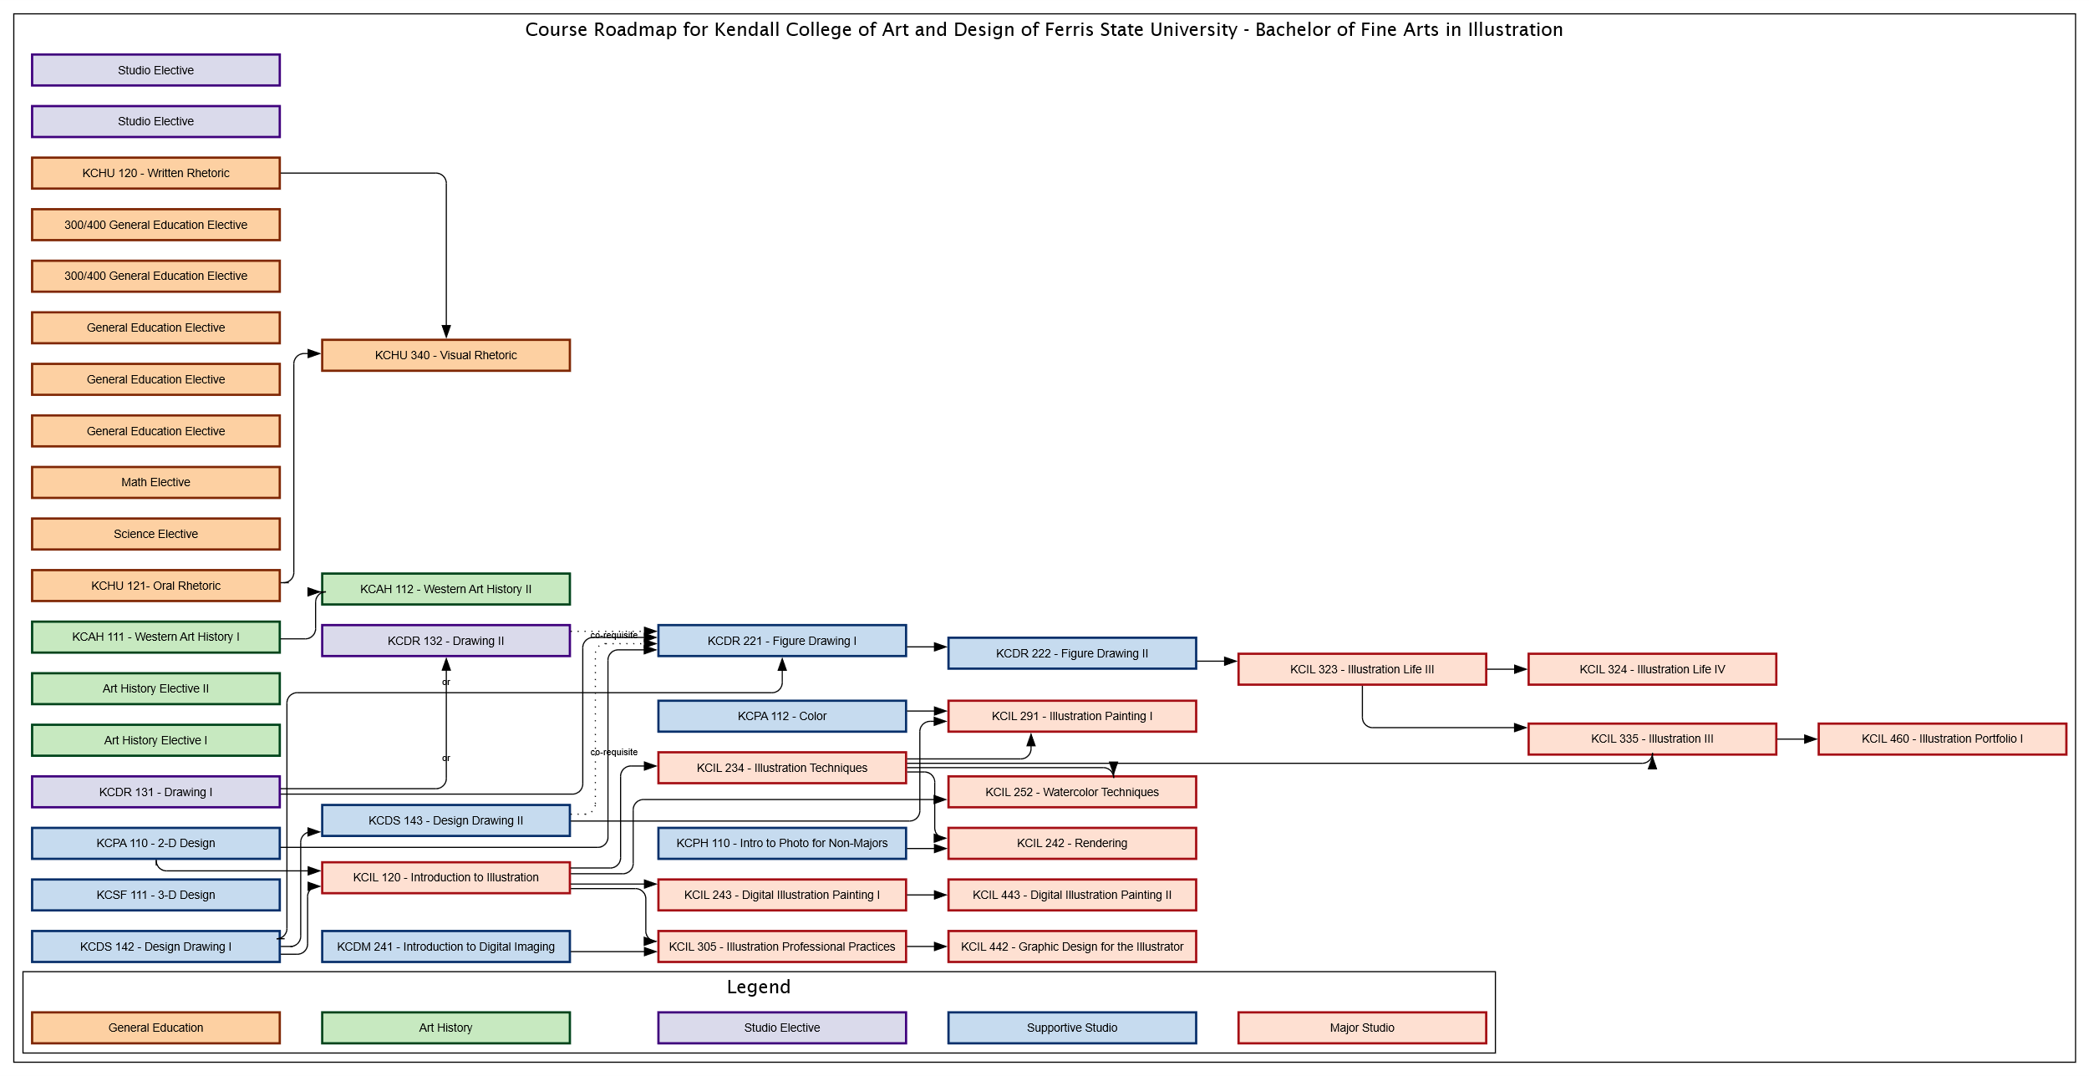

styles
Style Name | Description | Style Format | Properties | Style Type | All Styles | No Clusters | No Edges
node |  |  |  | node | yes | yes | yes
edge |  |  |  | edge | yes | yes | no
subgraph-open |  |  |  | subgraph-open | yes | yes | yes | 
subgraph-close |  |  |  | subgraph-close | yes | no | yes
keyword |  |  |  | keyword | yes | yes | yes
native |  |  |  | native | yes | yes | yes
Major Studio |  | colorscheme=reds9 color=8 shape=rect fixedsize=True height="0.375" width="3.00" penwidth="2.0" style=filled fillcolor=2 |  | node | yes | yes | yes
Supportive Studio |  | colorscheme=blues9 color=9 shape=rect fixedsize=True height="0.375" width="3.00" penwidth="2.0" style=filled fillcolor=3 |  | node | yes | yes | yes
Studio Electives |  | colorscheme=purples9 color=9 shape=rect fixedsize=True height="0.375" width="3.00" penwidth="2.0" style=filled fillcolor=3 |  | node | yes | yes | yes
Art History |  | colorscheme=greens9 color=9 shape=rect fixedsize=True height="0.375" width="3.00" penwidth="2.0" style=filled fillcolor=3 |  | node | yes | yes | yes
General Education |  | colorscheme=oranges9 color=9 shape=rect fixedsize=True height="0.375" width="3.00" penwidth="2.0" style=filled fillcolor=3 |  | node | yes | yes | yes
co-requisite |  | style=dotted radius=9 |  | edge | yes | yes | no
prerequisite |  | style=solid radius=9 |  | edge | yes | yes | no
Background Begin |  | fontname="Lucida Sans" fontsize=16 |  | subgraph-open | yes | no | yes | 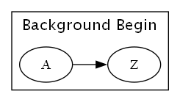
Background End |  |  |  | subgraph-close | yes | no | yes
Legend Begin |  | fillcolor=Moccasin style=filled |  | subgraph-open | yes | no | yes | 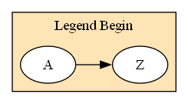
Legend End |  |  |  | subgraph-close | yes | no | yes

